Rev
Maintenance
DATE | REV | DESCRIPTION | BY
2018-02-23 | A | Created | Zack Boatwright
2018-07-30 | B | Updated format/analog scaling | Zack Boatwright
2018-07-30 | C | Added HMI QC | Zack Boatwright
2018-08-01 | D | Updated D20 Settings | Zack Boatwright
2018-08-08 | E | Updates to formatting and M++ | Zack Boatwright
2018-08-09 | F | Updated for accumulator settings | Zack Boatwright
DONE
2018-08-31 | G | Added Ibox and updated on open setting | Zack Boatwright
2018-09-04 | H | Updated ION Map and added RTS Pre/Postamble settings | Zack Boatwright
2018-09-14 | I | Updated HMI QC Sheet | Zack Boatwright
2018-09-25 | J | Updated Format and entries | Zack Boatwright
2018-10-09 | K | Added D20 psuedo points | Zack Boatwright
2018-11-07 | L | Updated for D20 non DNP points and updated the bit values for the protocol translator | Zack Boatwright
2018-12-17 | M | Formatting updates and added corrections | Zack Boatwright

ASE Settings
 | Q3 | Q4 | INFO:
Master | Justin Bivins | Mike Liska
Correct protocol? | JB | Ok | DNP?
Correct serial port | JB | Ok | Example: Serial Port 1
Under Master Serial Port Settings
Switched RX and Switched TX | JB | Ok | FALSE
Baud rate | JB | Ok | Correct baud rate set?
Correct Address | JB | Ok | Device 15727 : toEMS

Slave
Correct protocol? | JB | Ok | CDC, TRW, ect ?
Correct serial port | JB | Ok | Example: Serial Port 3
Baud rate | JB | Ok | Correct baud rate set? | S9000
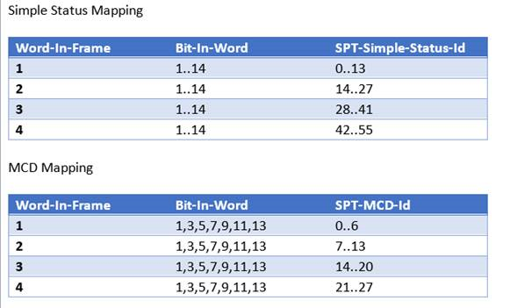
Correct Address | JB | Ok | Example: Device 2 : East_York_CDC_44-550

Slave (Not S9000)
Device
Scan Group | JB | NA | Default

Slave (S9000)
Device
Scan Group | JB | Ok | Poll
Variation | JB | Ok | X-Status, Y-Analog
XCount | SET TO 2 | Change to 1 | Number of status frames
YCount | AET TO 2 | Ok | Number of analog frames

Points
Correct number of points mapped | JB | Ok | Points mapped 1:1
Status Points
Correct BIT number for S9000 and 9550 | JB | Ok | S9000 = 56 bit increments (2 for MCD and 1 for simple status) 9550 = 48 bit increments (2 for MCD and 1 for simple status)

Ports (S9000 or 9550)
RTU must be on port 2 | LEFT ON PORT 2 | Ok | For firmware 1.7, firmware 1.8 can be any port

